Sheet1
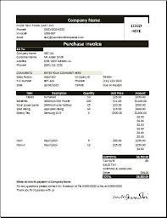
ENABLE EDITING TO VIEW CLEAR DOCUMENT

